Guide
VENDOR TOOLING REGISTRATION
Guidelines

TEN Document n° | RDCL-00498 |  | Revision: |  | 1 |  | Revision date: | 18/11/2022
Purpose :
The VENDOR TOOLING REGISTRATION should ensure that all tooling related to project/component requirements are clearly defined between Tenneco and their suppliers as early as possible. An open communication from the project kick off to the PPAP approval about the tools details are needed to close the project. To confirm that all the tools used to produce Tenneco components are available well identified as required. To provides an early information's about all the details needed to use the tool to produce the related parts or parts families.
On every request, the supplier responsible will provide an update as a follow-up to the quality responsible of the Tenneco Manufacturing site.
Instructions :

The template has been set-up in 2 separate sheets:
 | 1 | Summary

 | 2 | Process Details

Please find below a step-by-step guide to complete the document.
A) Launching the document
 | 1 | Fill out the heading
Summary
 | 2 | Fill out the copy of the Purchase order which have been provided by Tenneco - either by a Ten manufacturing
 |  | site or by the Ten Business Unit

 | All the information's requested below are mandatory :

 | 3 | Fill out the Operation step and name

 | 4 | Add the tooling overall data " Weight", "Length", "height", "Depth".

 | 5 | Add the equipment data "type", "Brand", "Capacity"

Process Step Details | 6 | Add the all the tooling information's requested " Ownership mandatory".
 |  | (Tooling detail instructions, see below)

 | 7 | Add all the parts number produced in this tool for every operation step.

 | 8 | Detailed description requested for each operation step.

 | 9 | Added the tooling pictures for each step even if you have 2 and more per operation step.

Summary

Vendor Name |  | Metal 2010 |  |  |  | Purchase Order copy
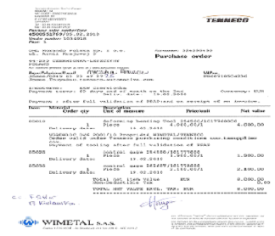
Vendor Address |  | XXXXX
 |  | XXXXX
 |  | XXXXX

Project info |  | BMW N47
 |  | Tenneco Edenkoben
1
Example
2
Purchase order number |  | Tooling purchase order N°4500551769 / 05.02.2010

Tenneco product p/n |  | 267983

Description |  | Front Bracket _ 3 mm, 1.4512

Tooling location |  | Manufacturing plant of Bologna

Tooling identification |  | TEN 101777000

4
Process Step Details
-6- All filled are mandatory
5
 |  |  |  |  |  | Tooling overall data [mm] |  | Weight | Length | Height | Depth
 |  |  |  |  |  |  |  | 250 kg | 500 | 650 | 450
Operation 1 | Equipment |  |  |  |  |  |  | 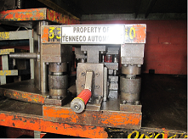 Tooling Picture
9
 |  | Type | Press | Brand | Schuller | Capacity | 400T
 | Tooling
6
 | First draw | Location | Italy | Tooling manufacturer | Nouva Stame
3
 |  | % Ownership | 100% Tenneco | Tooling ID Number | TEN 201009234
 |  | Type | Stamping | Nr of Cavities | NA | Nr of Tools | 1
 |  | Lifetime (Nr of shots) | 10 years | LCR (Lean Capacity Rate) |  | Investment | 12000
7
 | Is tool used to produce other parts ? If Yes, please identify : |  |  | 267673
 | Description
 | Blank cutting and first draw operation

8

-7- Please list all the parts used with this tool
-8- Please put all the details describing this operation
-9- Can be more than one tool per operation step

