Permanent Change Guide
Process Change Notice
Guidelines (Permanent Change)
Tenneco Document n° |  | RDCL-00336 |  | Revision: | 3 | Rev. date: | 2025-07-17 | Owner | Global Purchasing
Introduction :
 | The supplier shall notify Tenneco of all permanent product or process changes.
Purpose :
 | A process guideline to the changes related to supplier that impacts the final product to Tenneco. The changes at the supplier could be ranging from manufacturing location change and all the way to cost-saving opportunity. All direct material suppliers (including few indirect suppliers with influence on BOM), regardless of component priority, shall follow the PCN process. The PCN should be reviewed and agreed jointly by Tenneco and supplier, prior to implementation.
R: GSCM Commodity Buyer
R: Project Manager
P: Project Team
S: GSCM SDE
R: GSCM Commodity Buyer
S: Project Team
R: Project Manager
P: Project Team
S: GSCM SDE
Process Change Notice

 | The Tenneco PCN Process consists of 3 phases:
 | Phase-I | Supplier fills the change details & submits to Tenneco Buyer.
 | Phase-II | Tenneco Buyer reviews the request and distributes to the Tenneco Plants impacted by change and Tenneco Engineering as required.
 | Phase-III | Tenneco Eng and Plant Quality to provide the feedback/approval for implementing the change.

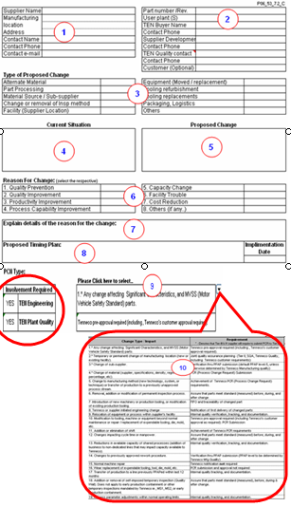
PCN Guidelines USE: |  |  | Tab PCN Form
 | Step-1 | Supplier should raise the PCN by filling the general information about their organization.
 | Step-2 | Fill the affected part details, such as part #, Tenneco user plant & Tenneco Buyer & Tenneco Plant Quality contact details, for better communication. Use the Part detail tab to collect details on multiple plants/part affected.
 | Step-3 | Supplier shall select the change proposed, in the options, available. If some option is not available, fill in as other.
 | Step-4 | Supplier shall fill here, “what is the Current situation”, clearly described with a picture or drawing. Highlight details on the Process change detail tab.
 | Step-5 | Supplier shall fill here, “what is the proposal”, clearly describe and also provide a picture or drawing, if feasible. Highlight details on the Process change detail tab.
 | Step-6 | -
 | Step-7 | Supplier shall give reason for the proposed change, for better understanding highlight the changes on the Process change tab.
 | Step-8 | Fill the timing plan and expected implementation date. (Development timing plan need to be attached separately, to PCN.)
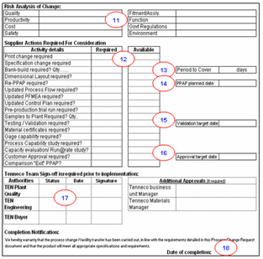
 | Step-9 | Tenneco Buyer shall define the “PCN type” for if Tenneco Engineering is required to be involved in adopting the change. For reference, Click on this Cell, a drop-down box will get appear with some options for “Change Type/ Impact”. Select the appropriate option to understand if Tenneco Engineering Involvement is required for adapting the Change.
 | Step-10 | Change Type & requirement reference table, for identifying the involvement required.
 | Step-11 | Risk needs to be identified & addressed, jointly by supplier & Tenneco before implementing the change.
 | Step-12 | Tenneco Plant Quality & Engineering shall define the requirements for the PCN in “required” column and supplier to update the status in “available” column.
 | Step-13 | Bank build should be defined by the Plant Material Group, prior to implementation of Change. (in # of days coverage).
 | Step-14 | If PPAP is required, Level should be defined by Tenneco plant Quality and PPAP date should be agreed upon. TITAN PPAP request will be placed into TITAN by the Buyer.
 | Step-15 | If testing/ validation is required by Tenneco Eng. or the customer, the date should be confirmed by Tenneco Buyer and communicated to the supplier.
 | Step-16 | If Customer PPAP is required define PPAP level & target date confirmed by Customer. Supplier PPAP cannot be approved before Customer PPAP release.
 | Step-17 | Prior to proceeding with the PCN, the worksheet should be signed with date & status, by the respective approving authorities.
 | Step-18 | PSW sign-off date, for the PCN shall be mentioned. Without this date the PCN can not be closed.
 |  | PCN's that require PPAP, a copy of the signed PCN notice will be uploaded into the c-folder in TITAN
Process Change Details Tab
 | This Tab is to add additional details when there will be equipment changes, location changes. Give the details per the process step on what the current location and/or machine and the proposed change. Add pictures as needed to better explain the changes.

Part Details Tab

 | This tab is to add the details when there are several part numbers and/or plants impacted by the change.

Temporary Deviation Guide
Temporary Deviation
Guidelines
Tenneco Document n° |  | RDCL-00336 | Revision: | 3 | Rev. date: | 2025-07-17 | Owner | Global Purchasing
Introduction :
 | Suppliers must notify Tenneco of all TEMPORARY product or process changes. The temporary form is to be used when the product or process is changed, even for only a short period or number of parts.
Purpose :
 | Supplier PCN process is to be used when a supplier wants to make changes in process, product and/or facility. The supplier must notify Tenneco, for above changes in advance, and gain Tenneco approval before implementing them. All suppliers, regardless of component priority, shall follow the PCN process. The PCN should be reviewed and agreed jointly by Tenneco and supplier, prior to implementation.
R: GSCM Commodity Buyer
R: Project Manager
P: Project Team
S: GSCM SDE
R: GSCM Commodity Buyer
S: Project Team
R: Project Manager
P: Project Team
S: GSCM SDE
R: GSCM Application Buyer
Temporary Process/Product Change USE: |  |  |  |  |  | Tab Temporary Deviation Form

 | The Tenneco Temporary PCN Process consists of 4 phases:
 | Phase-I | Supplier fills the change details on TAB 'Temporary Deviation Form' then submits to Tenneco Receiving Plant(s) Quality.
 | Phase-II | Tenneco Quality sets up meeting with supplier.
 | Phase-III | Tenneco Engineering and Plant(s) Quality to provide the feedback to proceed with work plan.
 | Phase-IV | Plant(s) Quality and or Customer provide written approval to ship changed product.

Temporary Deviation Guidelines: USE TAB Temporary Deviation Form
 | Step-1 | Fill in the header information in |  | Tab 'Temporary Deviation' form
 |  | If more than one part fill in |  | Tab 'Part Details'
 |  | Make sure the amount of time is identified.
 | Step-2 | Fill in the deviation request information (A) Current state should highlight the part details from latest PPAP drawings that are being changed by the request.
 | Step-3 | Fill in the deviation request information (B) Description of deviation (B) should highlight for all items that will not meet the current drawing specifications.
 | Step-4 | Identify what actions (C) you are taking to return the process/product to the orginal state.
 | Step-5 | Tenneco plant quality must have meeting with supplier to determine the urgency of the change. No shipments allowed until approval is received. All product shipped under deviation should have deviation number attached to containers and shipping paperwork.
 | Step-6 | Tenneco plant quality gets internal approval for change.
 | Step-7 | Tenneco plant quality sends approved document to supplier contacts.
 | Step-8 | Supplier clearly identifies product with deviation number on all shipments. ASN and all containers.
Part Details TAB B This tab is to add the details when there are several part numbers and/or plants impacted by the change.
Process Change Detail Tab C This Tab is to add additional details when there will be equipment changes, location changes. Give the details per the process step on what the current location and/or machine and the proposed change. Add pictures as needed to better explain the changes.

Revision
Process Change Notice
History
TEN Document n° |  | RDCL-00336 | Revision: | 3 | Revision date: | 2025-07-17 | Owner | Global Purchasing
Document Revision History :
Rank Failure Types
Revision Level | DATE | Change |  |  |  |  |  | Author
3 | 2025-07-17 | Tenneco logo iso DRiV logo / Temporary Deviation worksheet & guidelines added |  |  |  |  |  | K. Duchateau
2 | 2023-03-28 | Review table (cell Q1522) - change to Tenneco |  |  |  |  |  | K. Duchateau
1 | 2020-06-30 | Change of packaging added to the list |  |  |  |  |  | K. Duchateau
0 | 2020-06-12 | Transferred from Tenneco legacy system as a stand alone document - ref. RDCL-00031v0 and document completely revised |  |  |  |  |  | K. Duchateau

