Guide
Process Change Notice
Guidelines
Tenneco Doc no: |  | QUAL-00021 | Revision: | 0 | Rev. date: | 3-Dec-21 | Owner: | Global Purchasing
Introduction :
 | Suppliers shall notify Tenneco of any planned changes to product or process before any change is made. This form shall be used by suppliers of products, materials and services that can potentially impact Tenneco products.
Purpose :
 | Changes made by suppliers may range from a change of manufacturing location to small process changes made as a cost-saving opportunity. Suppliers of direct materials, and indirect materials and services that may potentially affect Tenneco product quality, regardless of component priority, shall follow the PCN process. Proposed changes should be reviewed jointly by Tenneco and the supplier, and have Tenneco full written approval before their implementation.
R: GSCM Commodity Buyer
R: Project Manager
P: Project Team
S: GSCM SDE
R: GSCM Commodity Buyer
S: Project Team
R: Project Manager
P: Project Team
S: GSCM SDE
R: GSCM Application Buyer
Process Change Notice:

 | The Tenneco PCN Process consists of 3 phases:
 | Phase-I | Supplier fills the change proposal details and submits to Tenneco Buyer.
 | Phase-II | Tenneco Buyer reviews the request and distributes to the Tenneco Plants / functions impacted by change and Tenneco Engineering as required.
 | Phase-III | Tenneco Eng and Plant Quality provide the feedback/approval or rejection for implementing the change.

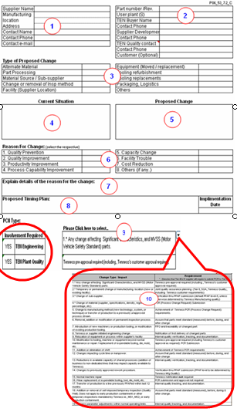
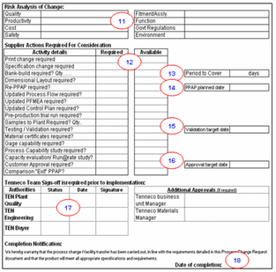
PCN Guidelines:
 | Step-1 | Supplier should raise the PCN by filling the general information about their organization.
 | Step-2 | Supplier fills the affected part(s) details, such as part #, Tenneco user plant(s) & Tenneco Buyer & Tenneco Plant Quality contact details, for better communication. Use the Part detail tab to collect details on multiple plants/part affected.
 | Step-3 | Supplier shall select the change proposed, in the options, available. If some option is not available, fill in as 'other'.
 | Step-4 | Supplier shall fill here, “what is the Current situation”, clearly described with a picture or drawing. Highlight details on the Process change detail tab.
 | Step-5 | Supplier shall fill here, “what is the proposal”, clearly describe and also provide a picture or drawing, if feasible. Highlight details on the Process change detail tab.
 | Step-6 | -
 | Step-7 | Supplier shall give reason for the proposed change, for better understanding highlight the changes on the Process change tab.
 | Step-8 | Supplier fill the timing plan and expected implementation date. (Development timing plan need to be attached separately, to PCN.)
 | Step-9 | Tenneco Buyer shall define the “PCN type” for if Tenneco Engineering is required to be involved in adopting the change. For reference, Click on this Cell, a drop-down box will get appear with some options for “Change Type/ Impact”. Select the appropriate option to understand if Tenneco Engineering involvement is required for adapting the Change.
 | Step-10 | Tenneco Buyer change Type & requirement reference table, for identifying the involvement required.
 | Step-11 | Risk needs to be identified & addressed, jointly by supplier & Tenneco before implementing the change.
 | Step-12 | Tenneco Plant Quality & Engineering shall define the requirements for the PCN in “required” column and supplier to update the status in “available” column.
 | Step-13 | Bank Build should be defined by the Plant Material Group, prior to implementation of Change. (in # of days coverage).
 | Step-14 | Tenneco plant Quality define PPAP Level and agree PPAP date with supplier, if applicable. PPAP request will be raised, and as applicable, placed into TITAN by the Buyer.
 | Step-15 | Tenneco Eng., or the customer, confirm testing / validation requirements, as applicable. Date(s) to be confirmed and communicated to the supplier by the Tenneco Buyer.
 | Step-16 | Customer defines PPAP Level and target date, if PPAP is required. Supplier PPAP cannot be approved before Customer PPAP release.
 | Step-17 | Tenneco approving authorities sign / approve, date and indicate status on the worksheet prior to proceeding with the PCN.
 | Step-18 | Tenneco record PSW sign-off date, for the PCN. Without this date the PCN cannot be closed.
 |  | PCN's that require PPAP - A copy of the signed PCN notice will be uploaded into the c-folder in TITAN if TITAN is used by the relevant Tenneco Business Unit.
Process Change Detail Tab:
 | This Tab is to add additional details when there will be equipment changes, location changes. Give the details as per the process step on what the current location and/or machine and the proposed change. Add pictures as needed to better explain the changes.

Part Details:

 | This tab is to add the details when there are several part numbers and/or plants impacted by the change.

Revision
Process Change Notice
History
Tenneco Document No.: |  | QUAL-00021 | Revision: | 0 | Revision date: | 3-Dec-21 | Owner: | Global Purchasing
Document Revision History :
Rank Failure Types
Revision Level | DATE | Change |  |  |  |  |  | Author
0 | 3-Dec-21 | First revision as a Tenneco enterprise document - Adapted from RDCL-00336

